1. Title Page
Instacart Grocery Basket Analysis

Project Name: Instacart Grocery Basket Analysis
Date: March 4th 2023
Analyst Name: Teguh Eka Prahara

Contents:
Population Flow
Consistency checks
Wrangling steps
Column derivations
Visualizations
Recommendations

Dataframes and citation:
Instacart Data Sets:
● Customers Data Set
● Data Dictionary
Citation: “The Instacart Online Grocery Shopping Dataset
2017”, Accessed from https://www.instacart.com/datasets/grocery-shopping-2017 on <10 Jan 2023>.

2. Population Flow
Title page

Population flow

Exclusion flag
Condition: max_order <
Obervations to be removed: IC customers PII Information (first_name & surname)
Final total count of order_products_all: 30629741

Orders_products_combined
Orders_products_merged
Orders_products_all

Total: 32404859
Total: 32434489
Total: 30629741

1.) The grey boxes in the first row of the population flow represent the original data sets as they were when you downloaded them. In the Total fields you need to add the count of the rows when you imported the data set into Jupyter.
2.) The second row of boxes (coloured) represents the data sets after you manipulated them, e.g., removed missing values and duplicates. In the Total fields you need to add the count of the rows after conducting these operations. This offers a visual oveview of how the data flows throughout the data consistency checks.
3.) The third row, where also the arrows are coloured, represents the merges you performed between the datasets. In the Total fields you need to add the count of the rows in the merged datasets, so that you end up with the final dataset (in the red box). Keep in mind the final dataset should be without exclusions (based on the exclusion flag).

3. Consistency checks
 |  |  |  | Title page
Consistency checks

Dataset | Missing values | Missing values treatment | Duplicates
orders | 206209 missing values in day_since_prior_order column | Impute the value with the median of the column | No duplicates
products | 16 missing values in product_name column | Remove the missing data | 5 duplicates
orders_products_prior | No missing values | No missing values treatment | No duplicates
customers | 11259 missing values in first_name column | Remove the missing data | No duplicates

4. Wrangling steps
 |  |  |  | Title page
Wrangling steps

Columns dropped | Columns renamed | Columns' type changed | Comment/Reason
eval_set' |  |  | This column is irrelevant to data analysis
 | order_dow' to 'orders_day_of_week' |  | Make it clearer to stakeholders
 |  | The 'order_id' data type is changed to 'str' | order_id' is an index that is used to identify a specific order
 |  | The 'user_id' data type is changed to 'str' | user_id' is an index that is used to identify a specific user
 |  | The 'product_id' data type is changed to 'str' | product_id' is an index that is used to identify a specific product
 |  | The 'aisle_id' data type is changed to 'str' | aisle_id' is an index that is used to identify a specific aisle
 |  | The 'department_id' data type is changed to 'str' | aisle_id' is an index that is used to identify a specific department
 | First_name' to 'first_name' |  | Maintain consistency of column naming
 | Surnam' to 'surname' |  | Maintain consistency of column naming
 | STATE' to 'state' |  | Maintain consistency of column naming
 | Age' to 'age' |  | Maintain consistency of column naming
 | Gender' to 'gender' |  | Maintain consistency of column naming
firt_name' |  |  | Included in PII Data
surname' |  |  | Included in PII Data

5. Column derivations
 |  |  |  |  | Title page

Column derivations and aggregations

In this tab you should add tables below that the frequences of flags/label variables that you produced after deriving them. NB: don't do this for continuous variables, only for flags.
Original dataset (import) | New column | Column/s it was derived from | Conditions | Modified dataset (export)
orders_products_merged.pkl | price_range | prices | value <=5: 'Low-range product' | orders_products_merged_2.pkl
 |  |  | value > 5 & <=15: 'Mid-range product'
 |  |  | value >15: 'Not-Enough Data'
 | price_range_loc | prices | value <=5: 'Low-range product'
 |  |  | value > 5 & <=15: 'Mid-range product'
 |  |  | value >15: 'Not-Enough Data'
 | busiest_day | orders_day_of_week | value ==0: 'Busiest day'
 |  |  | value ==4: 'Least busy'
 |  |  | Else: 'regularly busy'
 | busiest_days | orders_day_of_week | value ==0: 'Busiest days'
 |  |  | value ==1: 'Busiest days'
 |  |  | value ==3: 'Slowest days'
 |  |  | value ==4: 'Slowest days'
 |  |  | Else: 'regularly busy'
 | price_label | prices | value >15: 'High-range product'
 |  |  | value > 5 & <=15: 'Mid-range product'
 |  |  | value < 5: 'Low-range product'
 | busiest_period_of_day | order_hour_of_day | value >=9 & <=16: 'Most orders'
 |  |  | value >=7 & <=8: 'Average orders'
 |  |  | value >=17 & <=23: 'Average orders'
 |  |  | value >=0 & <=6: 'Fewest orders'
orders_products_merged_2.pkl | max_order | user_id & order_number | max of order_number grouped by user_id | orders_products_merged_3.pkl
 | loyalty_flag | max_order | value > 40: 'Loyal customer'
 |  |  | value >10 & <=40: 'Regular customer'
 |  |  | value <=10: 'New customer'
 | average_price | user_id & prices | mean of prices grouped by user_id
 | spending_flag | average_price | value < 10: 'Low spender'
 |  |  | value >= 10: 'High spender'
 | regularity_of_users_ordering_behavior | user_id & days_since_prior_order | median of days_since_prior_order grouped by user_id
 | frequency_flag | regularity_of_users_ordering_behavior | value > 20: 'non-frequent customer'
 |  |  | value >10 & <=20: 'regular customer'
 |  |  | value <=10: 'Frequent customer'
customers_orders_products_merged.pkl | region | region list | region_NE: 'Northeast' | final_IC_dataframe.pkl
 |  |  | region_MW: 'Midwest'
 |  |  | region_S: 'South'
 |  |  | region_W: 'West'
 | exclusion_flag | order_number | value < 5: 'Low_activity_customer'
 |  |  | value >=5: 'high_activity_customer'
 | age_group | age | value <=39: 'Young Adults'
 |  |  | value >=40 & <=59: 'Middle-Aged Adults'
 |  |  | value >=60: 'Old Adults'
 | income_group | income | value < 52200: 'Low Income'
 |  |  | value >=52200 & <156000: 'Middle Income'
 |  |  | value >=156000: 'High Income'
 | department | department_id | The 'department' column is mapped based on 'department_id' using 'dept_dict'
 | alcohol_behavior | department | value == alcohol: 'alcoholic customers'
 |  |  | value != alcohol: 'non-alcoholic customers'
 | pet_ownership | department | value == pets: 'pet owner'
 |  |  | value != pets: 'non-pet owner'
 | household | fam_status (value 1) & n_dependants (value 2) | value 1 == divorsed/widowed & single: 'One Person'
 |  |  | value 1 == married & value 2 == 1: 'Couple without Children'
 |  |  | value 1 == married & value 2 > 1: 'Couple with children'
 |  |  | value 1 == living with parents and siblings: 'Extended Family'
 | orders_week | orders_day_of_week | 0: 'Saturday'
 |  |  | 1: 'Sunday'
 |  |  | 2: 'Monday'
 |  |  | 3: 'Tuesday'
 |  |  | 4: 'Wednesday'
 |  |  | 5: 'Thursday'
 |  |  | 6: 'Friday'
 | orders_day | order_hour_of_day | 0: '12 a.m.'
 |  |  | 1: '1 a.m.'
 |  |  | 2: '2 a.m.'
 |  |  | 3: '3 a.m.'
 |  |  | 4: '4 a.m.'
 |  |  | 5: '5 a.m.'
 |  |  | 6: '6 a.m.'
 |  |  | 7: '7 a.m.'
 |  |  | 8: '8 a.m.'
 |  |  | 9: '9 a.m.'
 |  |  | 10: '10 a.m.'
 |  |  | 11: '11 a.m.'
 |  |  | 12: '12 p.m.'
 |  |  | 13: '1 p.m.'
 |  |  | 14: '2 p.m.'
 |  |  | 15: '3 p.m.'
 |  |  | 16: '4 p.m.'
 |  |  | 17: '5 p.m.'
 |  |  | 18: '6 p.m.'
 |  |  | 19: '7 p.m.'
 |  |  | 20: '8 p.m.'
 |  |  | 21: '9 p.m.'
 |  |  | 22: '10 p.m.'
 |  |  | 23: '11 p.m.'

6. Visualizations
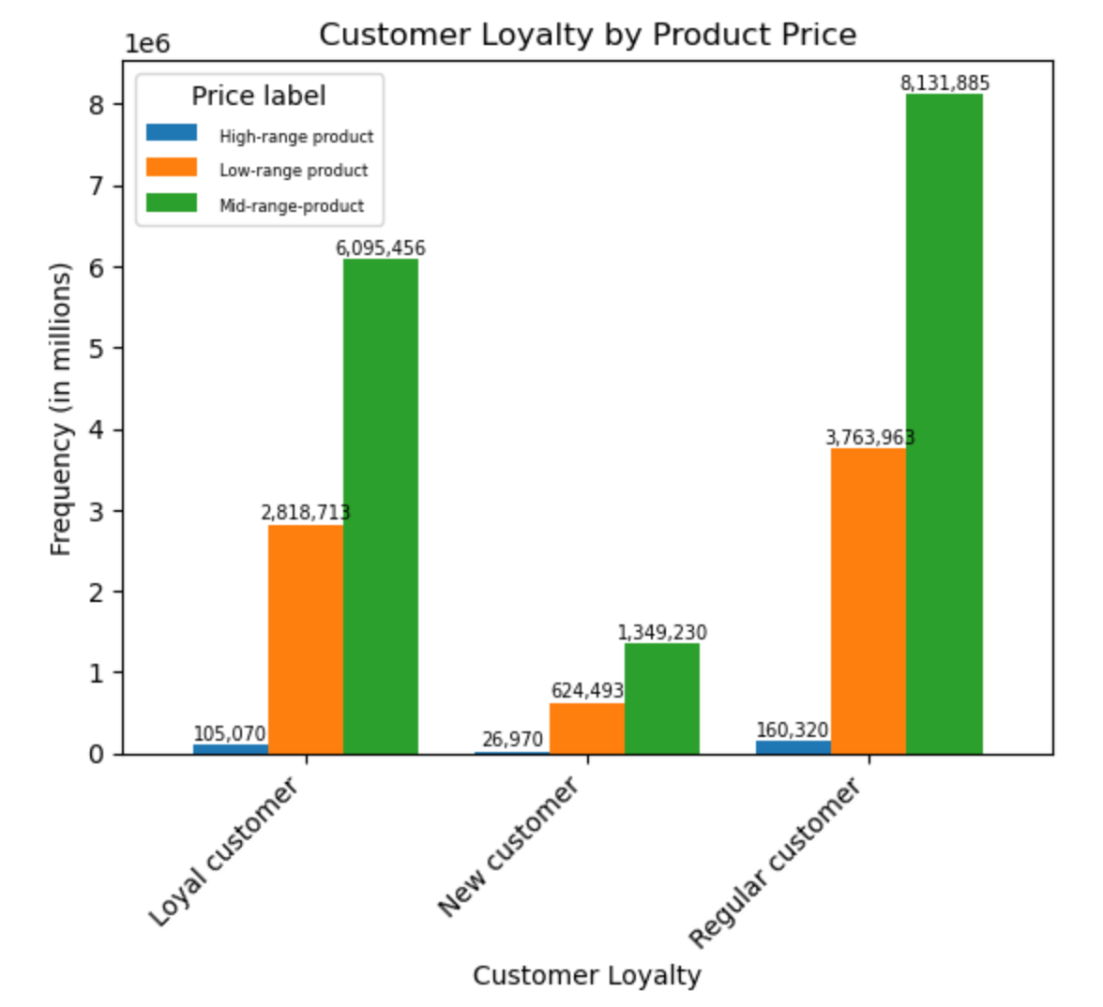
 |  |  | Title page

Visualisations

In this tab you should include all the visualtions from Exercises 4.9 and 4.10, alongside the questions from the project brief that they answer. Include any commentary on the relationship between different variables.

Q1 | The sales team needs to know what the busiest days of the week and hours of the day are (i.e., the days and times with the most orders) in order to schedule ads at times when there are fewer orders.

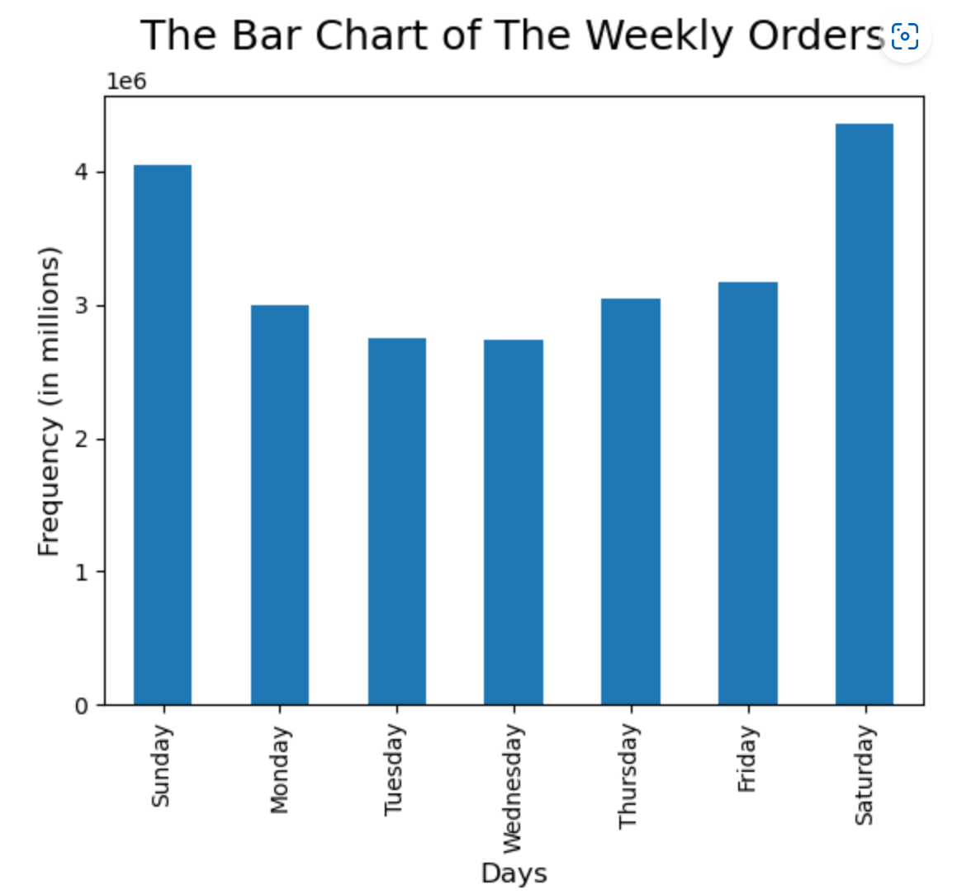
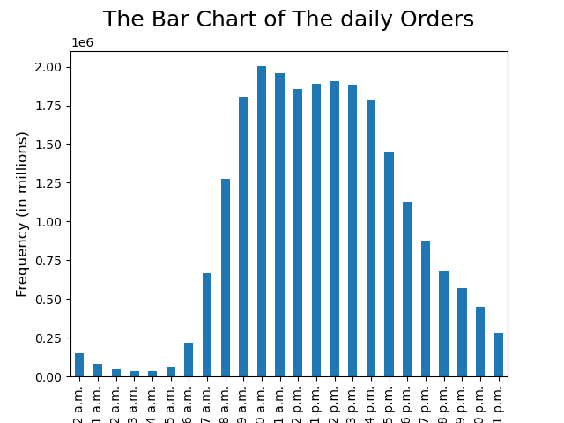

Q2 | They also want to know whether there are particular times of the day when people spend the most money, as this might inform the type of products they advertise at these times.
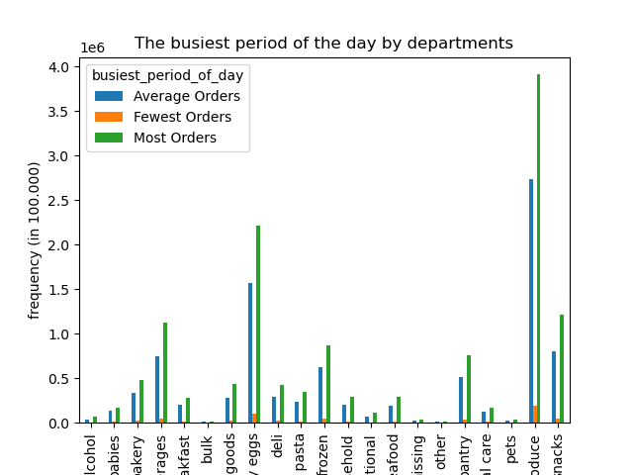

 |  | Categories:
 |  | Orders from 9 a.m. to 4 p.m. : 'Most orders'
 |  | Orders from 7 to 8 a.m. & 5 to 11 p.m. : 'Average orders'
 |  | Orders from 12 to 6 a.m.: 'Fewest orders'

Q3 | Instacart has a lot of products with different price tags. Marketing and sales want to use simpler price range groupings to help direct their efforts.

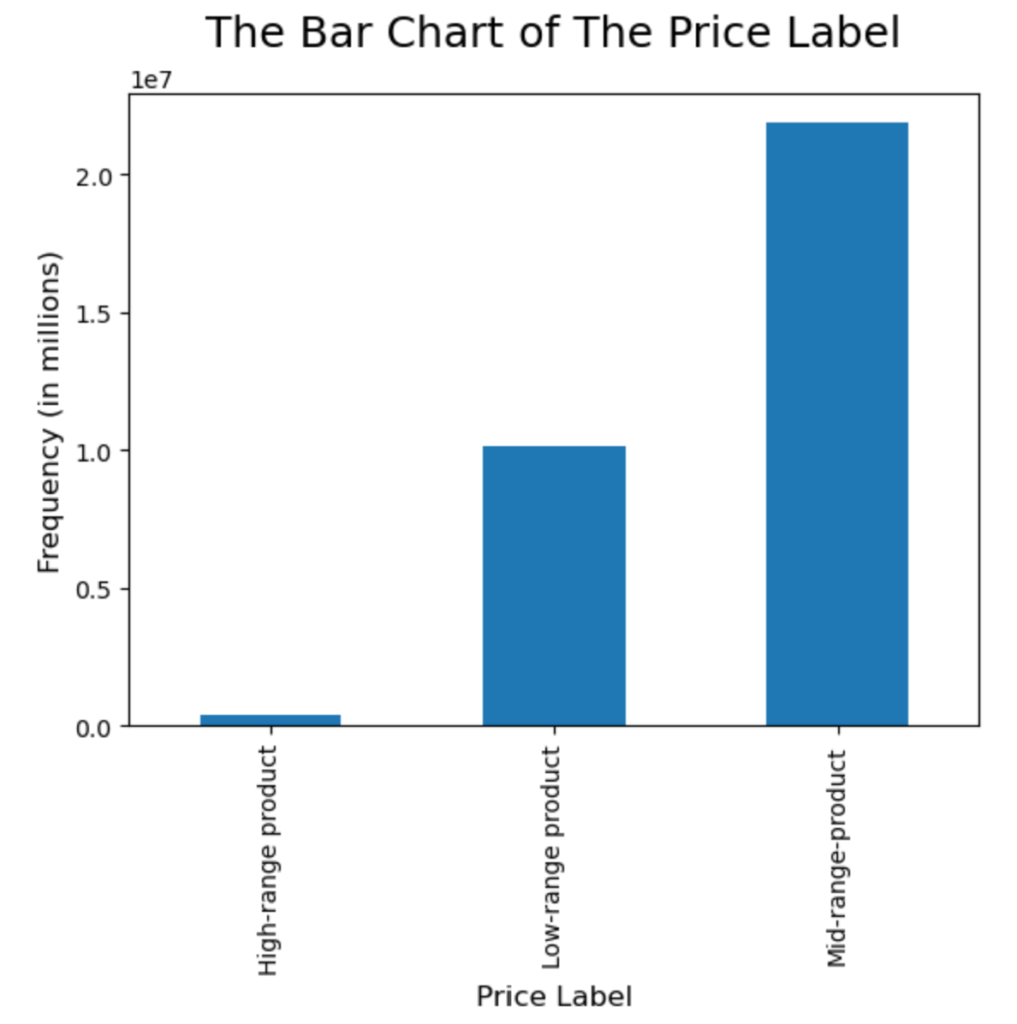

 |  | Categories:
 |  | Price of Product >15: 'High-range product'
 |  | Price of Product > 5 & <=15: 'Mid-range product'
 |  | Price of Product < 5: 'Low-range product'

Q4 | Are there certain types of products that are more popular than others? The marketing and sales teams want to know which departments have the highest frequency of product orders.
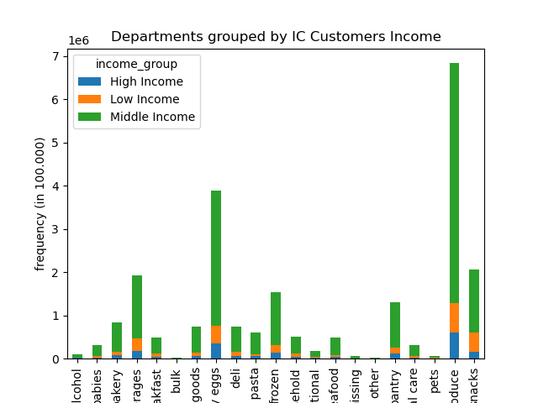
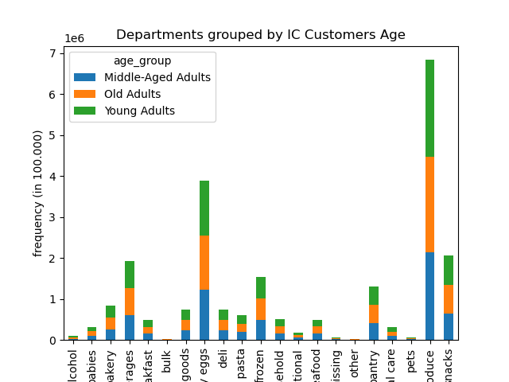

 |  | Categories: |  | Categories:
 |  | Age <=39: 'Young Adults' |  | income < 52200: 'Low Income'
 |  | Age >=40 & <=59: 'Middle-Aged Adults' |  | income >=52200 & <156000: 'Middle Income'
 |  | Age >=60: 'Old Adults' |  | income >=156000: 'High Income'

Q5 | The marketing and sales teams are particularly interested in the different types of customers in their system and how their ordering behaviors differ. For example:
Q5.1 | ● What’s the distribution among users in regards to their brand loyalty (i.e., how often do they return to Instacart)?

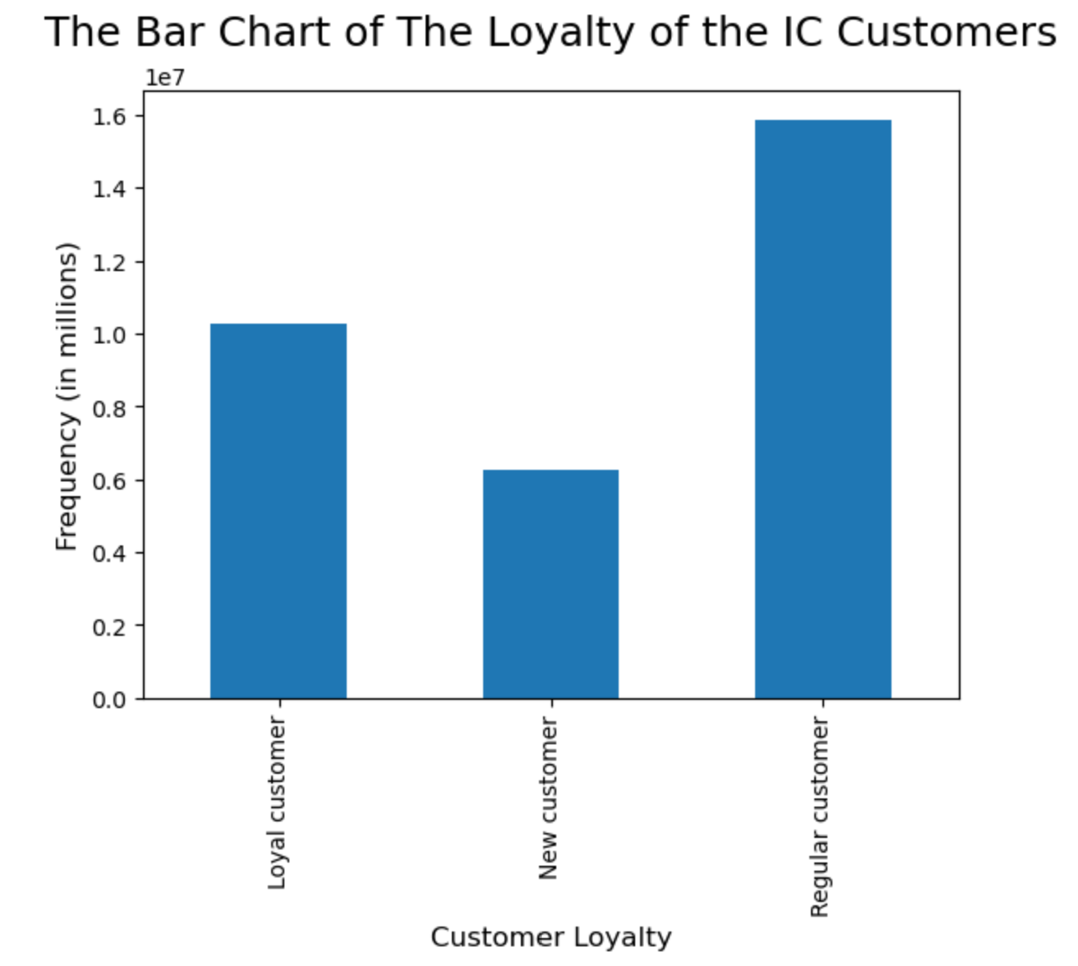
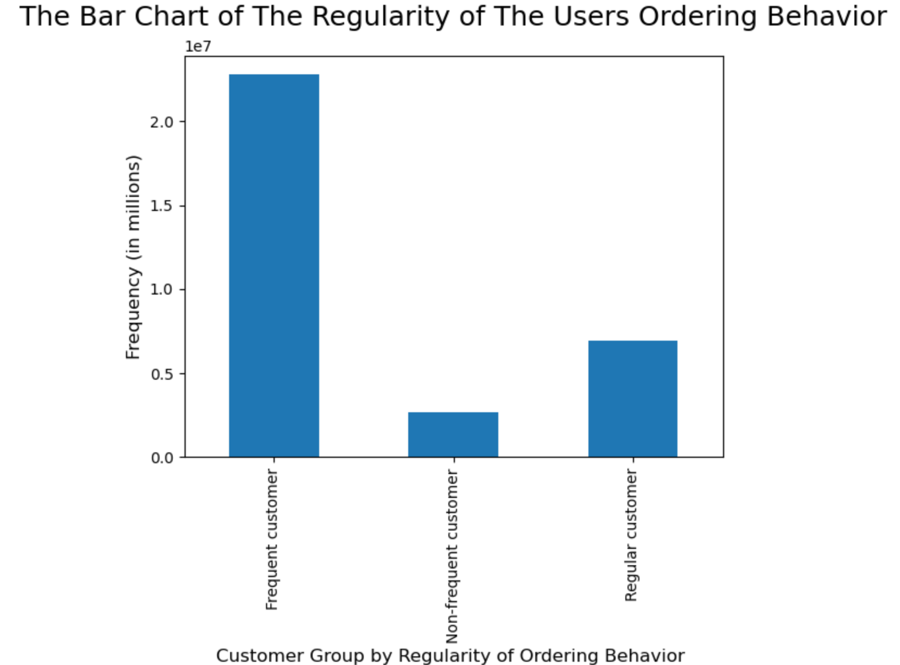

 |  | Categories: |  |  | Categories:
 |  | Max orders > 40: 'Loyal customer' |  |  | days_since_prior_order > 20: 'non-frequent customer'
 |  | Max orders >10 & <=40: 'Regular customer' |  |  | days_since_prior_order >10 & <=20: 'regular customer'
 |  | Max orders <=10: 'New customer' |  |  | days_since_prior_order <=10: 'Frequent customer'

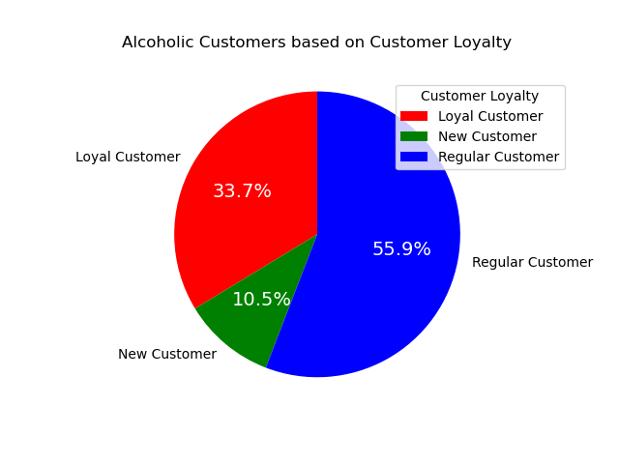
Q5.2 | ● Are there differences in ordering habits based on a customer’s loyalty status?
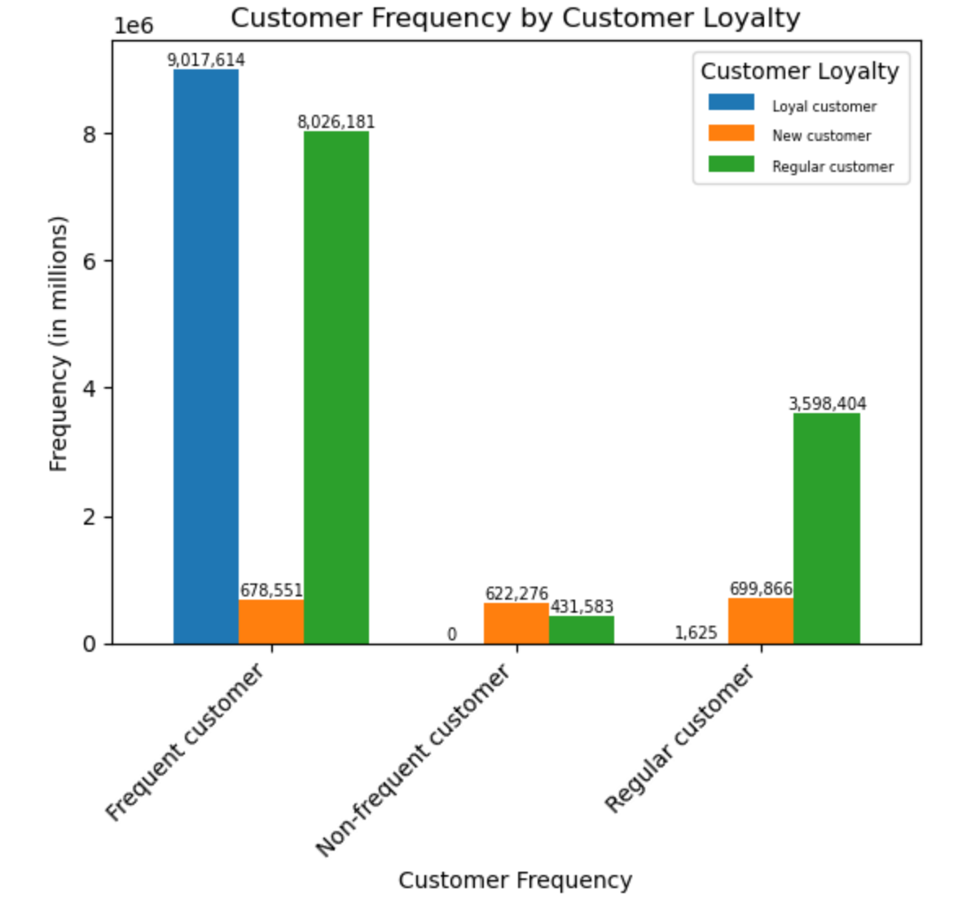
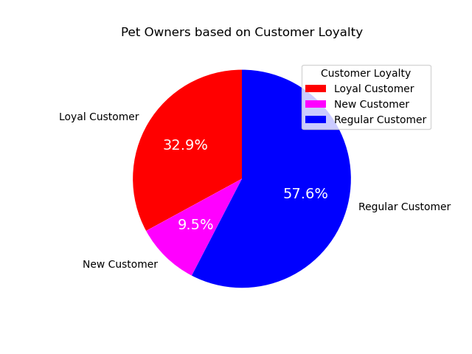

Q5.3 | ● Are there differences in ordering habits based on a customer’s region?
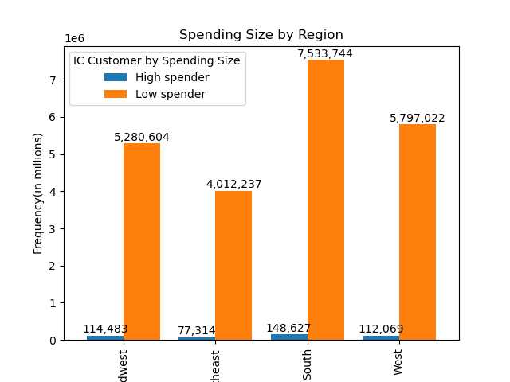
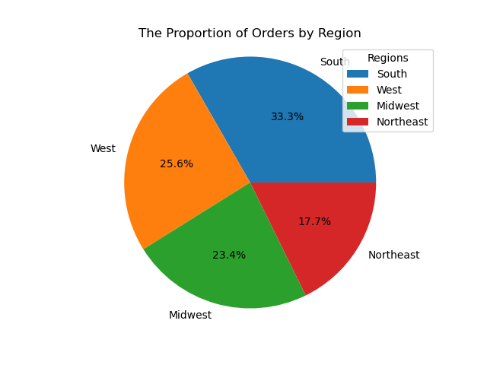
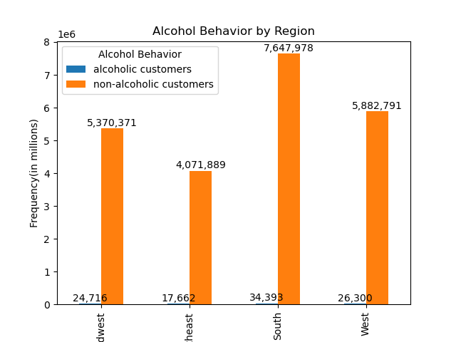
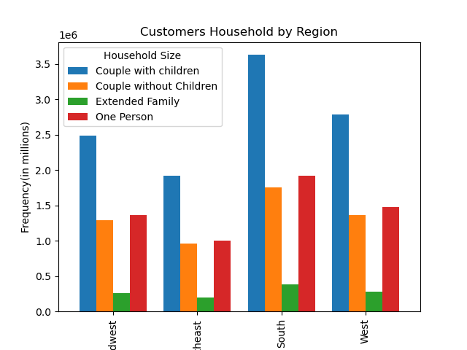

 |  |  |  |  |  | Categories:
 |  |  |  |  |  | avg.prices < 10: 'Low spender'
 |  |  |  |  |  | avg.prices >= 10: 'High spender'

Q5.4 | ● Is there a connection between age and family status in terms of ordering habits?

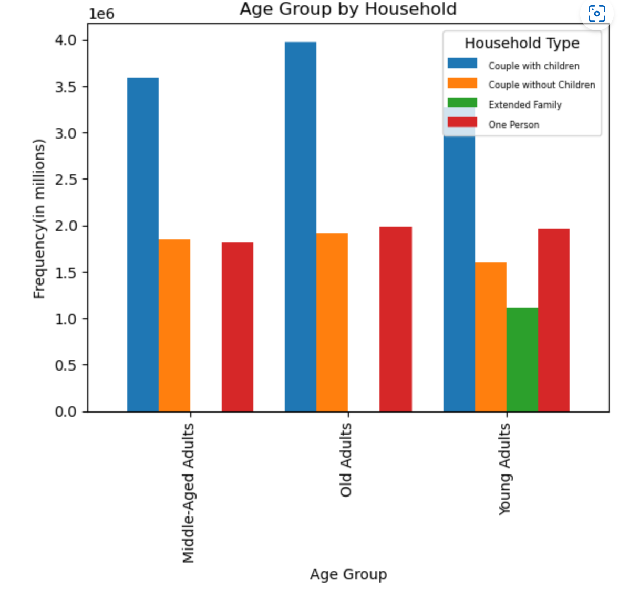
 |  | Categories:
 |  | age <=39: 'Young Adults'
 |  | age >=40 & <=59: 'Middle-Aged Adults'
 |  | age >=60: 'Old Adults'

Q5.5 | ● What different classifications does the demographic information suggest? Age? Income? Certain types of goods? Family status?
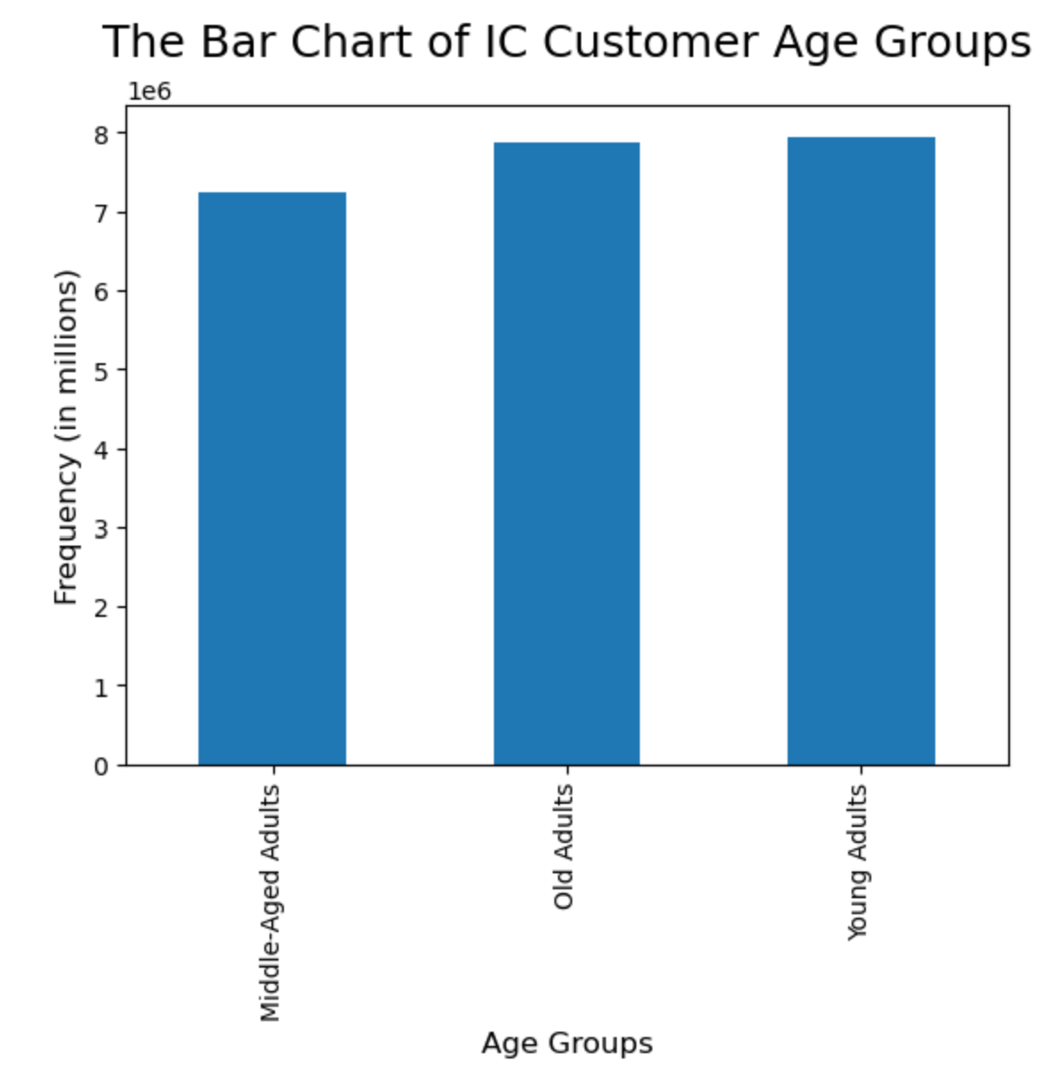
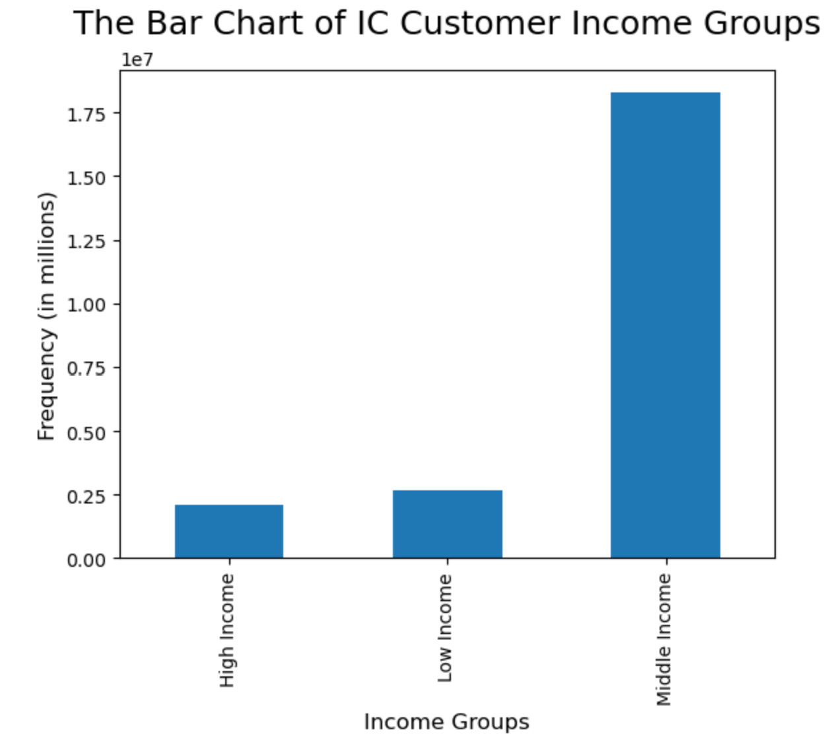

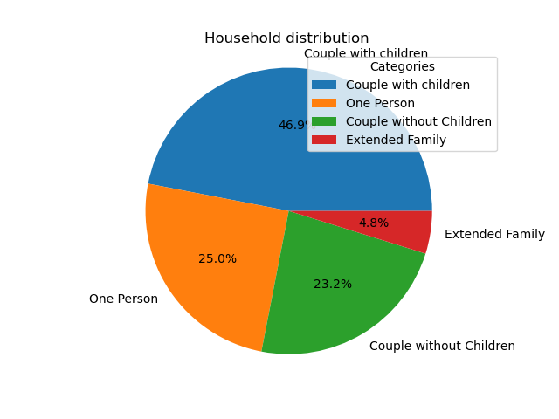

Q5.6 | ● What differences can you find in ordering habits of different customer profiles? Consider the price of orders, the frequency of orders, the products customers are ordering, and anything else you can think of.

7. Recommendations
 |  | Title page

Recommendations

In this tab you should include any recommendations you would made to Instcart in terms of their marketing strategy based on the questions posed in the brief. Every key question has been covered in the Tasks of the Exercises - here you need to add an item - a visualisation or table/crosstable that is showing the answer in the data, acompanied by a comment from you. Please, list the questions below and add the answer underneath.

Question | Answer
Key Question 1 | The busiest days of the week are Saturday and Sunday, whereas the slowest days of the week are Tuesday and Wednesday. Furthermore, most orders of the day are between 9 a.m. and 4 p.m.; the average orders are between 7 and 8 a.m. and between 5 p.m. and 11 p.m.; and the fewest are between 12 a.m. and 8 a.m. Therefore, scheduling ads on Tuesday & Wednesday between 5 p.m. and 11 p.m. is very recommended. It can increase orders from average to higher on the slowest days. The time was chosen from 7 p.m. to 11 p.m. because that time is the time when people are resting from their daily activities.
Key Question 2 | Whether at the most, average, or fewest orders time, the most ordered products are products from produce, dairy/eggs, snacks, and beverages departments. Therefore, products from these departments are recommended to advertise all day.
Key Question 3 | Price tags can be grouped into price labels, which a product price of more than 15 can be classified as a high-range product, a product price between 5 and 15 can be classified as a Mid-range product, and a product price of less than 5 can be classified as a low-range product.
Key Question 4 | The most popular products are from the produce department, followed successively by dairy/eggs, snacks, beverages, frozen, and pantry departments. Products from the produce department are ordered mainly by young adults and middle-income customers. Therefore, this demographic can be used to analyze potential customers further.
Key Question 5.1 | Based on customer loyalty, the highest number of customers is categorized as regular customers, with maximum orders between 11 and 40. Furthermore, based on order frequency, the highest number of customers is categorized as frequent customers, with the previous purchase period being less than ten days.
Key Question 5.2 | Based on the bar chart of Customer Frequency by Customer loyalty, almost all loyal customers are also frequent customers. Furthermore, based on ordering habits, more than 50% of regular customers have alcohol behavior and pet owners.
Key Question 5.3 | Most orders are from the South region, followed successively by the west, midwest, and northeast regions. Of course, this proportion affects other variables like spending size, customer household, alcohol behavior, etc.
Key Question 5.4 | All of the extended family statuses came from young adults. Old couples with children did the highest orders, followed successively by mid-aged couples with children and young couples with children. Hence, couples with children can be a good target market for IC. Furthermore, almost all of the products are ordered mainly by young adults. Therefore, young adults can be used to analyze potential customers further.
Key Question 5.5 | The age group variable informs us about the distribution of orders based on age group. Young adults own the most significant proportion, followed successively by old and mid-aged adults. Then, The income group variable informs us about the distribution of orders based on customer income. Middle income owns the most significant proportion, followed successively by low and high incomes. Furthermore, the product department variable informs us about the distribution of orders based on the department of product. The produce department owns the most significant proportion, followed successively by dairy/eggs, snacks, beverages, etc. And then, the household variable informs us about the distribution of orders based on the family type. The couple with children owns the most significant proportion, followed successively by one person, couple without children, and extended family.
Key Question 5.6 | Based on customer loyalty, the highest number of customers is categorized as regular, followed successively by loyal and new customers. Almost all of the loyal customers are frequent customers. Furthermore, the mid-range products are most ordered for all customer groups, either for regular, loyal, or new customers.

